Screenshots
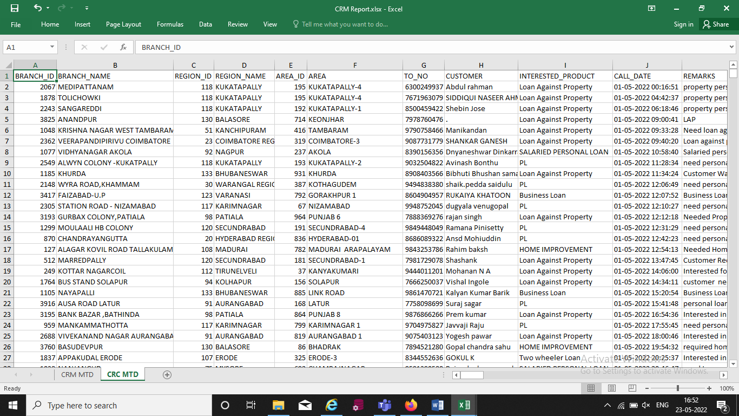
 | SCREENSHOTS
1 | The lead generation of various report is available as mail (mail subject and mail content is display correctly)

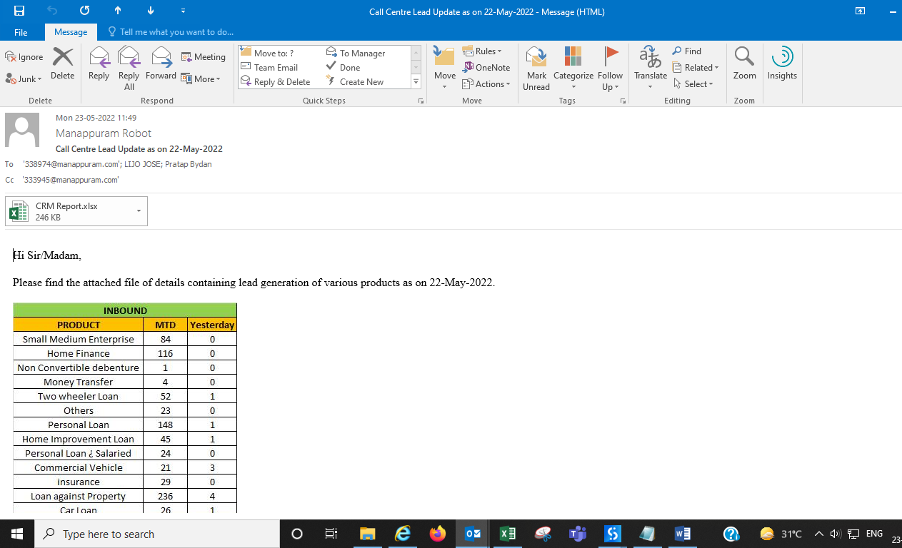

2 | The attached CRM report (CMR MTD)
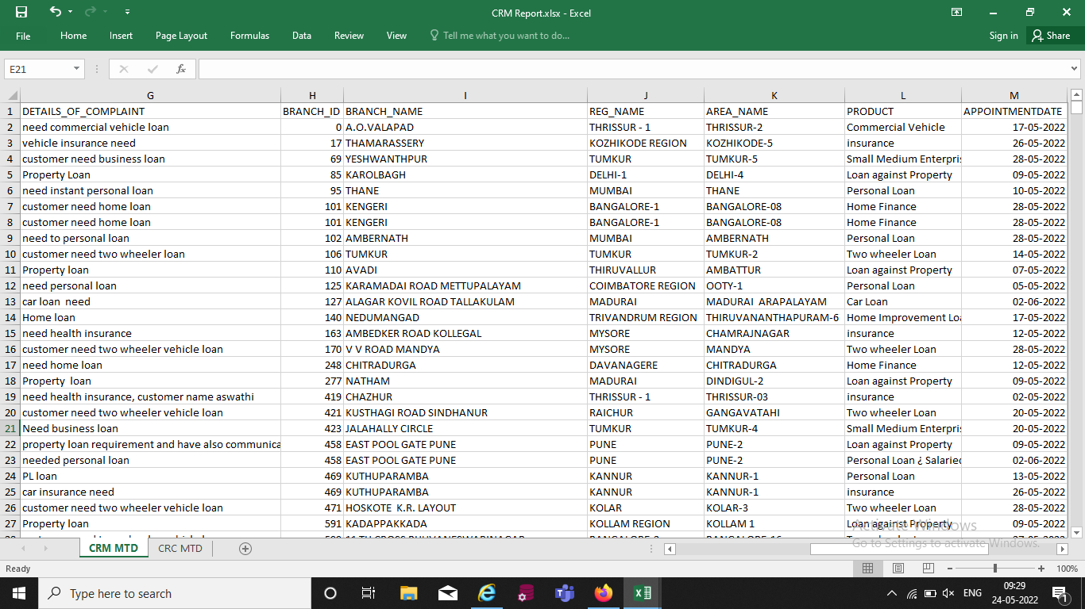

3 | The attached CRM report (CMC MTD)

